Compression
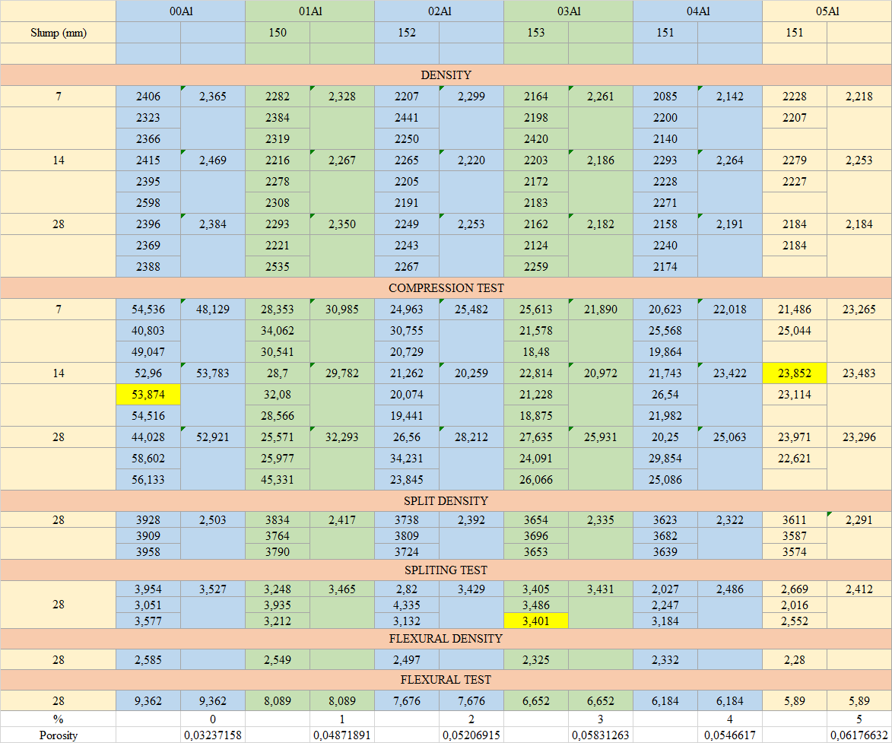
 | 00Al |  | 01Al |  | 02Al |  | 03Al |  | 04Al |  | 05Al
Slump (mm) |  |  | 150 |  | 152 |  | 153 |  | 151 |  | 151

 | 07d Cubes Density | 14d Cubes Density | 28d Cubes density | Cylinder Density | Beams Density
0 | 2.365 | 2.469 | 2.384 | 2.503 | 2.585
1 | 2.328 | 2.267 | 2.350 | 2.417 | 2.549
2 | 2.296 | 2.220 | 2.253 | 2.392 | 2.497
3 | 2.261 | 2.186 | 2.182 | 2.335 | 2.325
4 | 2.142 | 2.264 | 2.191 | 2.322 | 2.332
5 | 2.218 | 2.253 | 2.184 | 2.291 | 2.280
DENSITY
7 | 2376 | 2.365 | 2332 | 2.328 | 2297 | 2.296 | 2264 | 2.261 | 2135 | 2.142 | 2228 | 2.218
 | 2353 |  | 2330 |  | 2301 |  | 2278 |  | 2150 |  | 2215
 | 2366 |  | 2323 |  | 2290 |  | 2240 |  | 2140 |  | 2210
14 | 2465 | 2.469 | 2266 | 2.267 | 2235 | 2.220 | 2193 | 2.186 | 2273 | 2.264 | 2279 | 2.253
 | 2493 |  | 2278 |  | 2210 |  | 2182 |  | 2248 |  | 2247
 | 2450 |  | 2258 |  | 2216 |  | 2183 |  | 2271 |  | 2233
28 | 2396 | 2.384 | 2373 | 2.350 | 2249 | 2.253 | 2182 | 2.182 | 2198 | 2.191 | 2199 | 2.184
 | 2369 |  | 2341 |  | 2243 |  | 2174 |  | 2190 |  | 2164
 | 2388 |  | 2335 |  | 2267 |  | 2189 |  | 2184 |  | 2189
COMPRESSION TEST
7 | 48.536 | 48.129 | 30.353 | 30.985 | 24.963 | 25.482 | 22.613 | 21.890 | 20.623 | 22.018 | 22.486 | 23.265
 | 46.803 |  | 32.062 |  | 27.755 |  | 21.578 |  | 22.568 |  | 24.044
 | 07d Cubes Density | 14d Cubes Density | 28d Cubes density | Cylinder Density | Beams Density
0 | 2.365 | 2.469 | 2.384 | 2.503 | 2.585
1 | 2.328 | 2.267 | 2.350 | 2.417 | 2.549
2 | 2.296 | 2.220 | 2.253 | 2.392 | 2.497
3 | 2.261 | 2.186 | 2.182 | 2.335 | 2.325
4 | 2.142 | 2.264 | 2.191 | 2.322 | 2.332
5 | 2.218 | 2.253 | 2.184 | 2.291 | 2.280
 | 49.047 |  | 30.541 |  | 23.729 |  | 21.48 |  | 22.864 |  | 23.245
14 | 52.96 | 53.783 | 29.7 | 29.782 | 21.262 | 20.259 | 21.814 | 20.972 | 23.743 | 23.422 | 23.852 | 23.483
 | 53.874 |  | 30.08 |  | 20.074 |  | 21.228 |  | 22.54 |  | 23.114
 | 54.516 |  | 29.566 |  | 19.441 |  | 19.875 |  | 23.982 |  | 23.083
28 | 52.028 | 52.921 | 32.571 | 32.293 | 26.56 | 28.212 | 27.635 | 25.931 | 24.25 | 25.063 | 23.971 | 23.296
 | 54.602 |  | 30.977 |  | 29.231 |  | 24.091 |  | 25.854 |  | 22.621
 | 52.133 |  | 33.331 |  | 28.845 |  | 26.066 |  | 25.086 |  | 23.276
SPLIT DENSITY
28 | 3928 | 2.503 | 3800 | 2.417 | 3757 | 2.392 | 3659 | 2.335 | 3643 | 2.322 | 3601 | 2.291
 | 3929 |  | 3798 |  | 3770 |  | 3676 |  | 3660 |  | 3597
 | 3938 |  | 3790 |  | 3744 |  | 3668 |  | 3641 |  | 3599
SPLITING TEST
28 | 3.554 | 3.527 | 3.448 | 3.465 | 3.82 | 3.429 | 3.425 | 3.431 | 2.427 | 2.486 | 2.469 | 2.412
 | 3.451 |  | 3.535 |  | 3.335 |  | 3.446 |  | 2.447 |  | 2.316
 | 3.577 |  | 3.412 |  | 3.132 |  | 3.421 |  | 2.584 |  | 2.452
FLEXURAL DENSITY
28 | 2.585 |  | 2.549 |  | 2.497 |  | 2.325 |  | 2.332 |  | 2.28
FLEXURAL TEST
28 | 9.362 | 9.362 | 8.089 | 8.089 | 7.676 | 7.676 | 6.652 | 6.652 | 6.184 | 6.184 | 5.89 | 5.89
% |  | 0 |  | 1 |  | 2 |  | 3 |  | 4 |  | 5
Porosity |  | 0.032371580929 |  | 0.048718913606 |  | 0.052069149108 |  | 0.058312626895 |  | 0.054661695999 |  | 0.061766316063

 | Flexure | Split
0 | 9.362 | 3.527
1 | 8.089 | 3.465
2 | 7.676 | 3.429
3 | 6.652 | 3.431
4 | 6.184 | 2.486
5 | 5.89 | 2.412
 | 00Al | 01Al | 02Al | 03Al | 04Al | 05Al
7 | 48.129 | 30.985 | 25.482 | 21.890 | 22.018 | 23.265
14 | 53.783 | 29.782 | 20.259 | 20.972 | 23.422 | 23.483
28 | 52.921 | 32.293 | 28.212 | 25.931 | 25.063 | 23.296
 |  |  |  |  | 25.063
 | 7 Days | 14 Days | 28 Days
0.032371580929 | 48.129 | 53.783 | 52.921
0.048718913606 | 30.985 | 29.782 | 32.293
0.052069149108 | 25.482 | 20.259 | 28.212
0.058312626895 | 21.890 | 20.972 | 25.931
0.054661695999 | 22.018 | 23.422 | 25.063
0.061766316063 | 23.265 | 23.483 | 23.296

 | Flexure | Split
0.032371580929 | 9.362 | 3.527
0.048718913606 | 8.089 | 3.465
0.052069149108 | 7.676 | 3.429
0.058312626895 | 6.652 | 3.431
0.054661695999 | 6.184 | 2.486
0.061766316063 | 5.89 | 2.412

 | 7 Days | 14 Days | 28 Days
0 | 2.365 | 2.469 | 2.384
1 | 2.328 | 2.267 | 2.350
2 | 2.296 | 2.220 | 2.253
3 | 2.261 | 2.186 | 2.182
4 | 2.142 | 2.264 | 2.191
5 | 2.218 | 2.253 | 2.184
 | 00Al | 01Al | 02Al | 03Al | 04Al | 05Al
7 | 2.365 | 2.328 | 2.296 | 2.261 | 2.142 | 2.218
14 | 2.469 | 2.267 | 2.220 | 2.186 | 2.264 | 2.253
28 | 2.384 | 2.350 | 2.253 | 2.182 | 2.191 | 2.184

Compacted Density MDD
 | FA & CA mix Density
Container weight |  | 1535 | g
Container + water |  | 3633 | g
Container volume |  | 2098 | ml

 | Percentage | Mass | Density
 | 0 | 3136 | 1.495
 | 5 | 3165 | 1.509
 | 10 | 3298 | 1.572
 | 15 | 3489 | 1.663
 | 20 | 3497 | 1.667
 | 25 | 3655 | 1.742
 | 30 | 3751 | 1.788
 | 35 | 3769 | 1.796
 | 40 | 3769 | 1.796
 | 45 | 3759 | 1.792
 | 50 | 3694 | 1.761

0 | 1.4947569113
5 | 1.5085795996
10 | 1.5719733079
15 | 1.6630123928
20 | 1.6668255481
25 | 1.742135367
30 | 1.7878932316
35 | 1.7964728313
40 | 1.7964728313
45 | 1.791706387
50 | 1.7607244995

37.5

PSD
Sieve Analysis for Fine Aggregate
Mass of Each Sample: 2000 g
Total Mass of Sample (g) | Sample 1 |  |  |  |  | Sample 2 |  |  |  | Sample 3
Sieve (mm) | Mass of sieve (g) | Mass Retained (Sieve + Aggregate) (g) | Cumulated | % Retained | % Passing | Mass Retained (Sieve + Aggregate) (g) | Cumulated | % Retained | % Passing | Mass Retained (Sieve + Aggregate) (g) | Cumulated | % Retained | % Passing
5 | 831 | 849 | 18 | 0.90180360721 | 99.098 | 852 | 21 | 1.0510510511 | 98.949 | 860 | 29 | 1.4514514515 | 98.549
2.36 | 808 | 886 | 96 | 4.8096192385 | 95.190 | 886 | 99 | 4.954954955 | 95.045 | 912 | 133 | 6.6566566567 | 93.343
1.25 | 785 | 1353 | 664 | 33.266533066 | 66.733 | 1143 | 457 | 22.872872873 | 77.127 | 1220 | 568 | 28.428428428 | 71.572
0.6 | 758 | 1573 | 1479 | 74.098196393 | 25.902 | 1310 | 1009 | 50.500500501 | 49.499 | 1350 | 1160 | 58.058058058 | 41.942
0.3 | 709 | 1132 | 1902 | 95.290581162 | 4.709 | 1443 | 1743 | 87.237237237 | 12.763 | 1315 | 1766 | 88.388388388 | 11.612
0.18 | 711 | 776 | 1967 | 98.547094188 | 1.453 | 877 | 1909 | 95.545545546 | 4.454 | 864 | 1919 | 96.046046046 | 3.954
0.075 | 580 | 607 | 1994 | 99.899799599 | 0.100 | 665 | 1994 | 99.7997998 | 0.200 | 653 | 1992 | 99.6996997 | 0.300
Pan | 712 | 714 | 1996 | 100 | 0.000 | 716 | 1998 | 100 | 0.000 | 718 | 1998 | 100 | 0.000
 |  |  | Finesse module | 3.0691382766 |  |  | Finesse module | 2.6216216216 |  |  | Finesse module | 2.7902902903
Sieve Analysis for Coarse Aggregate |  |  |  |  |  |  | Mean Finess module | 2.8270167295
Mass of Each Sample: 3000 g
Total Mass of Sample (g) | Sample 1 |  |  |  |  | Sample 2 |  |  |  | Sample 3
Sieve (mm) | Mass of sieve (g) | Mass Retained (Sieve + Aggregate) (g) | Cumulated | % Retained | % Passing | Mass Retained (Sieve + Aggregate) (g) | Cumulated | % Retained | % Passing | Mass Retained (Sieve + Aggregate) (g) | Cumulated | % Retained | % Passing
20 | 985 | 985 | 0 | 0 | 100.000 | 985 | 0 | 0 | 100.000 | 985 | 0 | 0 | 100.000
16 | 1027 | 1027 | 0 | 0 | 100.000 | 1027 | 0 | 0 | 100.000 | 1027 | 0 | 0 | 100.000 | 0
14 | 1084 | 1115 | 31 | 1.0333333333 | 98.967 | 1101 | 17 | 0.56666666667 | 99.433 | 1100 | 16 | 0.53333333333 | 99.467 | 1100
12.5 | 990 | 1152 | 193 | 6.4333333333 | 93.567 | 1146 | 173 | 5.7666666667 | 94.233 | 1164 | 190 | 6.3333333333 | 93.667
10 | 815 | 1614 | 992 | 33.066666667 | 66.933 | 1520 | 878 | 29.266666667 | 70.733 | 1509 | 884 | 29.466666667 | 70.533
5 | 831 | 2801 | 2962 | 98.733333333 | 1.267 | 2848 | 2895 | 96.5 | 3.500 | 2910 | 2963 | 98.766666667 | 1.233
2.36 | 808 | 845 | 2999 | 99.966666667 | 0.033 | 911 | 2998 | 99.933333333 | 0.067 | 844 | 2999 | 99.966666667 | 0.033
Pan | 712 | 713 | 3000 | 100 | 0.000 | 714 | 3000 | 100 | 0.000 | 713 | 3000 | 100 | 0.000

Sieve Size (mm) | Upper Limit | Lower Limit | Commulative % Passing |  | Sieve Size (mm) | Upper Limit | Lower Limit | Commulative % Passing
mm | g | g | % |  | 16 | 100 | 100 | 100.00
9.500 | 100.00 | 100.00 | 100.00 |  | 14 | 100 | 100 | 99.29
4.750 | 100.00 | 95.00 | 98.75 |  | 12.5 | 100 | 90 | 93.82
2.360 | 100.00 | 80.00 | 94.19 |  | 9.5 | 70 | 40 | 69.40
1.180 | 85.00 | 50.00 | 74.35 |  | 5 | 15 | 0 | 2.00
0.600 | 60.00 | 25.00 | 45.72 |  | 2.36 | 5 | 0 | 0.04
0.300 | 30.00 | 10.00 | 12.19 |  |  | 0 | 0 | 0.00
0.150 | 10.00 | 2.00 | 4.20
0.075 | 2.00 | 0.00 | 0.25
 | 0.00 | 0.00 | 0.00

 |  |  |  |  |  | Finesse Modulus | 2.81
 |  |  |  |  |  | Type of sand | Fineness modulus range
 |  |  |  |  |  | Fine sand | 2.2 – 2.6
 |  |  |  |  |  | Medium sand | 2.6 – 2.9
 |  |  |  |  |  | Coarse sand | 2.9 – 3.2

Absorpsion
 | 0.00 |  |  |  | 1.00 |  |  |  | 2.00 |  |  |  | 3.00 |  |  |  | 4.00 |  |  |  | 5.00
Mon 29/09/2025 | 2337 | 2311 | 2453 | 2367 | 2276 | 2273 | 2272 | 2273.6666667 | 2284 | 2257 | 2169 | 2236.6666667 | 2154 | 2174 | 2130 | 2152.6666667 | 2086 | 2206 | 2209 | 2167 | 2206 | 2165 |  | 2185.5
Tue 30/09/2025 | 2272 |  |  |  |  |  |  |  |  |  |  |  |  |  |  |  |  |  | 2101 |  | 2082
 | 2.860915493 |  |  |  |  |  |  |  |  |  |  |  |  |  |  |  |  |  | 5.1404093289 |  | 5.9558117195
Wed 01/10/2025 | 2250 | 2219 | 2359 | 2276 | 2161 | 2154 | 2151 | 2155.3333333 | 2155 | 2130 | 2051 | 2112 | 2021 | 2043 | 2006 | 2023.3333333 | 1966 | 2077 | 2083 | 2042 | 2068 | 2028 |  | 2048
Thu 02/10/2025
Fri 03/10/2025 | 2322 | 2292 | 2435 | 2349.6666667 | 2263 | 2258 | 2260 | 2260.3333333 | 2269 | 2241 | 2156 | 2222 | 2140 | 2164 | 2120 | 2141.3333333 | 2071 | 2192 | 2198 | 2153.6666667 | 2196 | 2153 |  | 2174.5
Porosity | 3.20% | 3.29% | 3.22% | 3.24% | 4.72% | 4.83% | 5.07% | 0.048718913606 | 5.29% | 5.21% | 5.12% | 0.052069149108 | 5.89% | 5.92% | 5.68% | 0.058312626895 | 5.34% | 5.54% | 5.52% | 0.054661695999 | 6.19% | 6.16% |  | 0.061766316063
Standard Deviation | 0.00038242993739 |  |  |  | 0.0014513682341 |  |  |  | 0.00069702601689 |  |  |  | 0.0010581304541 |  |  |  | 0.00088893068795 |  |  |  | 0.0001292351947

 | Porosity
0.00 | 0.032371580929
1.00 | 0.048718913606
2.00 | 0.052069149108
3.00 | 0.058312626895
4.00 | 0.054661695999
5.00 | 0.061766316063
 | -0.032 | -0.032897701667 | -0.032217041119 | -0.032366725249 | -0.047200370199 | -0.048282265552 | -0.050674105067 | -0.048716362512 | -0.052900232019 | -0.052112676056 | -0.051194539249 | -0.052083333333 | -0.058881741712 | -0.059226627509 | -0.056829511466 | -0.058319604613 | -0.053407934893 | -0.055368319692 | -0.055208833413 | -0.054684949396 | -0.061895551257 | -0.061637080868 | #DIV/0! | -0.061767578125

